Charts
05g00145 (gen E) – pooled biological replicates A+B+C
Pooled expression calculated by pooling on ΔCt; common calibrator = Susceptible, 0 h pooled

Linear
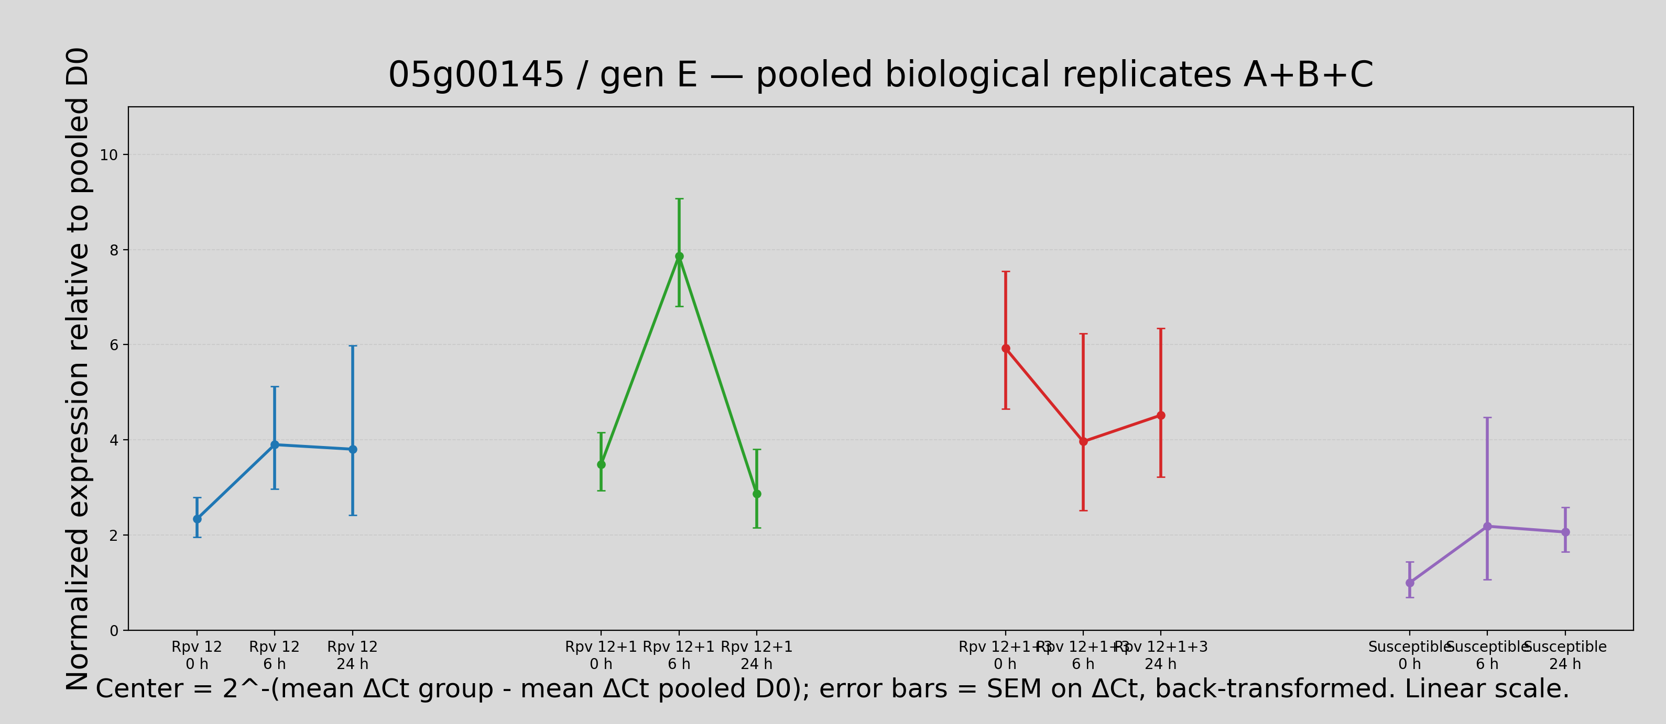

Log


  

